Foglio1
Offerta ARTSANA CHICCO

 | Cod. | Art. | Q.tà | P.Pubblico | TOT Valore
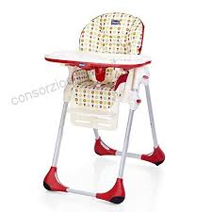 | DSA00000921 | ARTSANA 00079187520000 POLLY EASY HIGHCH | 12 | 109.00 € | 1,308.00 €
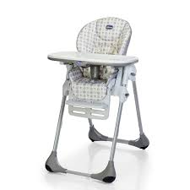 | DSA00000922 | ARTSANA 05079187710000 POLLY EASY HIGHCH | 12 | 109.00 € | 1,308.00 €
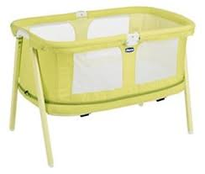 | DSA00000923 | ARTSANA 04079153400000 LULLAGO ZIP CRIB | 31 | 120.00 € | 3,720.00 €
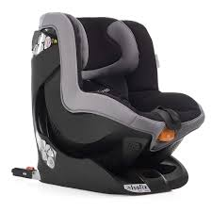 | DSA00000924 | ARTSANA 07079827410000 OASYS 1 EVO ISOFI | 8 | 177.00 € | 1,416.00 €
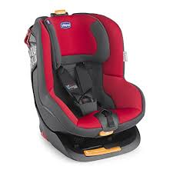 | DSA00000925 | ARTSANA 07079827960000 OASYS 1 EVO ISOFI | 6 | 177.00 € | 1,062.00 €
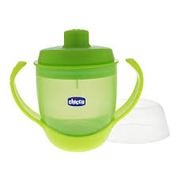 | DSA00000926 | ARTSANA 00006823500000 SOFT CUP 6M+ GREE | 478 | 9.90 € | 4,732.20 €
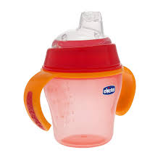 | DSA00000927 | ARTSANA 00006823700000 SOFT CUP 6M+ RED | 478 | 9.90 € | 4,732.20 €
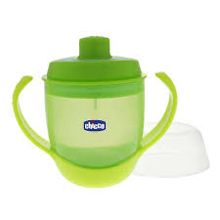 | DSA00000928 | ARTSANA 00006824500000 MEAL CUP 12M+ GRE | 478 | 9.90 € | 4,732.20 €
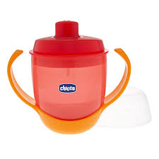 | DSA00000929 | ARTSANA 00006824700000 MEAL CUP 12M+ RED | 478 | 9.90 € | 4,732.20 €
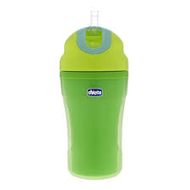 | DSA00000930 | ARTSANA 00006825500000 INSULATED CUP 18M | 478 | 9.90 € | 4,732.20 €
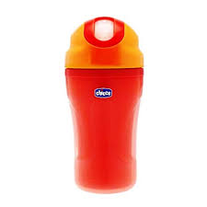 | DSA00000931 | ARTSANA 00006825700000 INSULATED CUP 18M | 478 | 9.90 € | 4,732.20 €
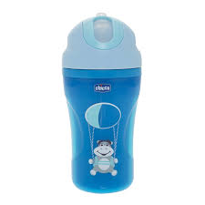 | DSA00000932 | ARTSANA 00006825120000 INSULATED CUP 18M | 472 | 9.90 € | 4,672.80 €
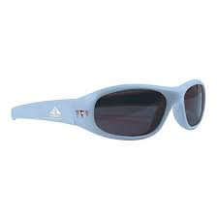 | DSA00000933 | ARTSANA 00007909000000 OCCHIALE BOY MIST | 16 | 16.90 € | 270.40 €
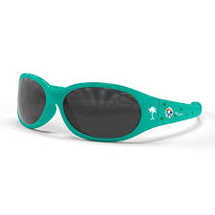 | DSA00000934 | ARTSANA 00007910000000 OCCHIALE BOY CART | 78 | 16.90 € | 1,318.20 €
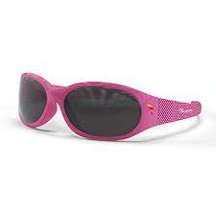 | DSA00000935 | ARTSANA 00007911000000 OCCHIALE GIRL FAN | 80 | 16.90 € | 1,352.00 €
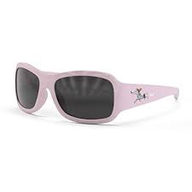 | DSA00000936 | ARTSANA 00007912000000 OCCHIALE GIRL MUS | 76 | 16.90 € | 1,284.40 €
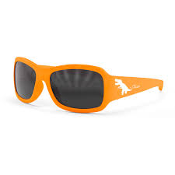 | DSA00000937 | ARTSANA 00007914000000 OCCHIALE BOY ADVE | 58 | 16.90 € | 980.20 €
 |  |  | 3717 |  | 47,085.20 €

